INPUT
B2S XL

XL DATA

Site ID | : | JA80
Site Name | : | PONDOK_GEDE_PERMAI
Candidat | : | B
Project Deff | :
Project Type | : | New
RBS Antenna Height | : | 35 | 35 | 35 | M.A.G.L
RBS Antenna Direction | : | 30 | 100 | 185
Date | : | 2022-10-20
COORDINAT NOM |  |  |  | Lat | : | -6.301331°S
 |  |  |  | Long | : | 106.970511°E
TBG.SYS DATA

Site Address | : | Jl.Pondok Benda RT 03/02 Kel.Jatirasa Kec.Jatiasih
 |  | Bekasi , Jawa Barat

Area | : | JABODETABEK
Company | : | PT. TOWER BERSAMA
ESR DATA

Contact Person/ Lanlord | : | TIPAT SAPUTRA
Phone Landlord | : | 081291248542
Contact Person Address Lanlord | : | Kp.Pondok Benda RT 003/002 Kel.Jatirasa Kec.Jatiasih
 | : | Bekasi , Jawa Barat
 | :
COORDINAT ESR |  |  |  | Lat | : | 6°18'03.7"S
 |  |  |  | Long | : | 106°58'09.2"E
Distance NOM to Candidate | : | 148.00 | M
Bearing NOM to Canditate | : | 0.00 | O
Map Datum : | : | WGS 84
Distance from public road | : | Length : | 100 | Width : | 3
Length of private access | : | Length : | 1 | Width : | 3
Height Structure Type (Roof Top) |  |  | Stories |  | : | …………………
 |  |  | Roof Top |  | : | …………………
 |  |  | Penthose |  | : | …………………
 |  |  | Other |  | : | …………………
Old of Building | : |  | Years
Tower Placement | : | GF
Tower Type | : | SST
Tower Height | : | 42 | M
Building Hight | : |  | M
Site space / Land size (LxW) | : | 8 | 8 | 64 | M2
Date ESR | : | 2022-12-14
Surveyor | : | RAHMAN
Document Prepare | :
Phone | : | +62
Email | :
M.a.g.l | : | 72 M.a.g.l (meter above ground level)
M.a.s.l | : | 206 M.a.s.l (meter above sea level)

App Sheet


 |  |  | APPROVAL SHEET
 |  |  | ENGINEERING SURVEY REPORT

 | SITE ID |  |  | JA80
 | SITE NAME |  |  | PONDOK_GEDE_PERMAI
 | CANDIDATE |  |  | B
 | SITE ADDRESS |  |  | Jl.Pondok Benda RT 03/02 Kel.Jatirasa Kec.Jatiasih, Bekasi , Jawa Barat,
 | PROJECT TYPE |  |  | New
 | PROPOSE BY |  |  | PT. TOWER BERSAMA

Note:
SLA Routing Approval per Department is 1 (one) working day

Routing Approval:

Approval |  | Doc ESR In |  | Doc ESR Out |  | Remark | Sign | PIC Name
 |  | Date | Time | Date | Time
Sitac

BSS RND

TRM

Civil Eng

Power Eng

Approval 006
Doc ESR Received by Admin NDC
Doc Copy ESR Received by Vendor

RFA
REQUEST FOR APPROVAL
(Tower Rental Project)

 |  | Date : October, 20 2022
Site ID | Site Info | Provider Remark
SITE ID : JA80
Site Name : PONDOK_GEDE_PERMAI

Tower Height : 42 M | Location Photograph
Tower Type : GF-SST-42 M
Project Deff :
 | Site Search Report

Site Address :
Jl.Pondok Benda RT 03/02 Kel.Jatirasa Kec.Jatiasih, Bekasi , Jawa Barat,

Candidate Proposed Coordinate | LOI
LATITUD : 6°18'03.7"S

"LONGITUDE : 106°58'09.2"E | Property Document
(harus sama dgn info koordinat di halaman 1)

NOM Coordinate
LATITUDE : 6°18'4.79"S

LONGITUDE : 106°58'13.84"E

Distance NOM to Candidate : 148 mtr
Bearing NOM to Canditate : 0 degree

Prepared By : | Review By : | Approved by XL:

PT. TOWER BERSAMA
PIC : () Phone : +62 | Name : | Name :
10-Oct-22 | Date : | Date :

Approved by : XL
Name :
Date
Released to vendor by :
Name :
Date :
Prepared by :
PT. Inti Samudra Prakarsa
PIC: Herman Effendi
Reviewed by :
Name :
Date :

Photo GPS
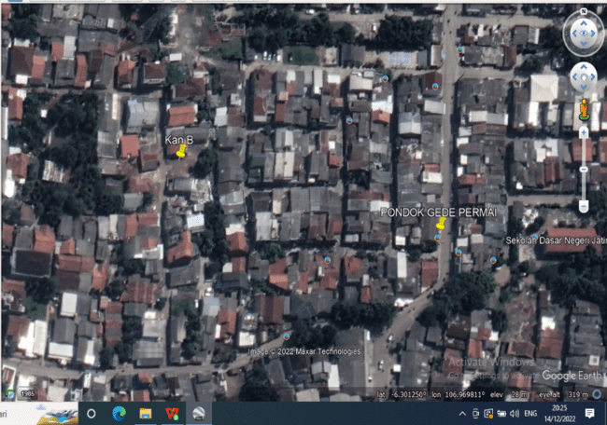
 |  |  | PHOTOGRAPH DOCUMENTARY
Site No. | : | JA80 | Project | : | B2S XL
Site Name | : | PONDOK_GEDE_PERMAI | Location | : | JABODETABEK
Visit Date | : | 14-Dec-22 | Prepared by | : | PT. TOWER BERSAMA
Surveyor | : | RAHMAN

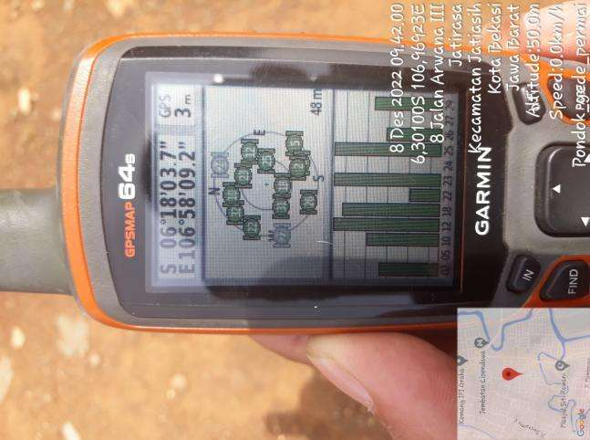

GPS DMS

Suroundings
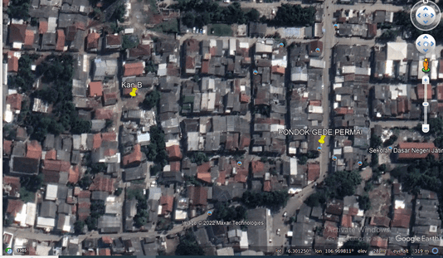
 |  |  | PHOTOGRAPH DOCUMENTARY
Site No. | : | JA80 | Project | : | B2S XL
Site Name | : | PONDOK_GEDE_PERMAI | Location | : | JABODETABEK
Visit Date | : | 14-Dec-22 | Prepared by | : | PT. TOWER BERSAMA
Surveyor | : | RAHMAN

0,30
 |  |  | PHOTOGRAPH DOCUMENTARY
Site No. | : | JA80 | Project | : | B2S XL
Site Name | : | PONDOK_GEDE_PERMAI | Location | : | JABODETABEK
Visit Date | : | 14-Dec-22 | Prepared by | : | PT. TOWER BERSAMA
Surveyor | : | RAHMAN

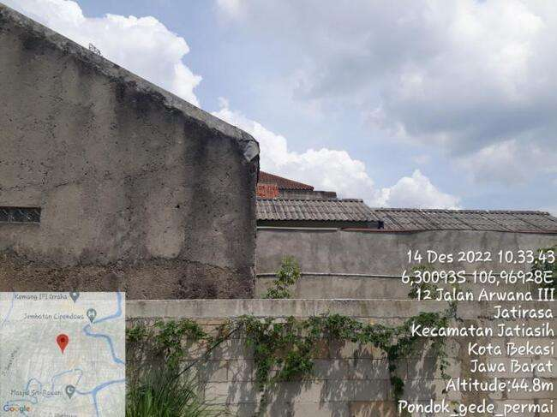

Panoramic 0º

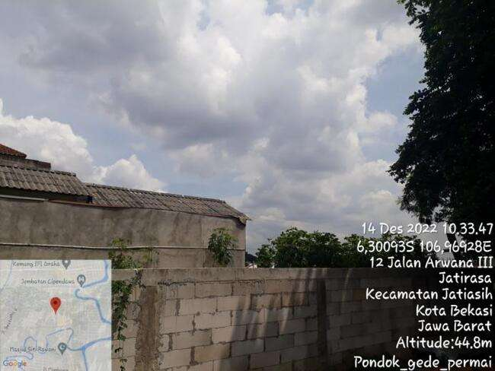

Panoramic 30º

60,90
 |  |  | PHOTOGRAPH DOCUMENTARY
Site No. | : | JA80 | Project | : | B2S XL
Site Name | : | PONDOK_GEDE_PERMAI | Location | : | JABODETABEK
Visit Date | : | 14-Dec-22 | Prepared by | : | PT. TOWER BERSAMA
Surveyor | : | RAHMAN

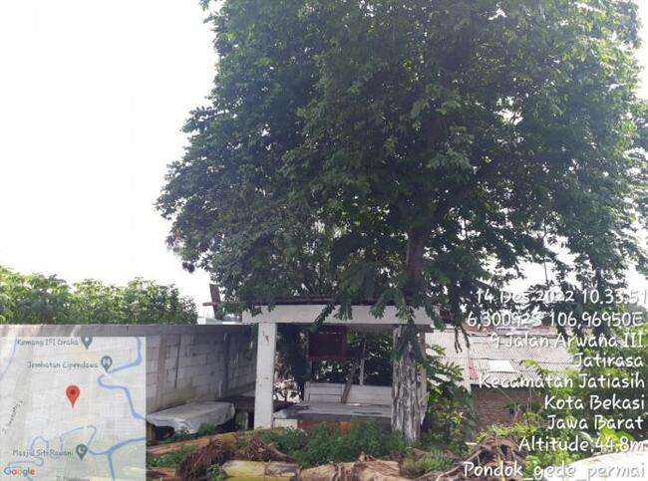

Panoramic 60º

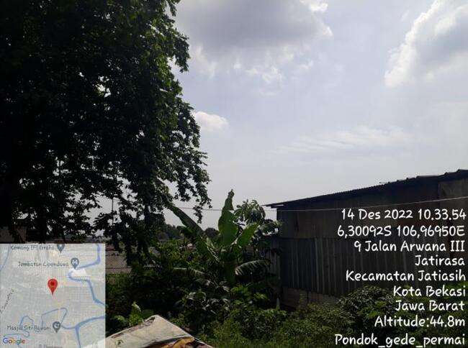

Panoramic 90º

120,150
 |  |  | PHOTOGRAPH DOCUMENTARY
Site No. | : | JA80 | Project | : | B2S XL
Site Name | : | PONDOK_GEDE_PERMAI | Location | : | JABODETABEK
Visit Date | : | 14-Dec-22 | Prepared by | : | PT. TOWER BERSAMA
Surveyor | : | RAHMAN

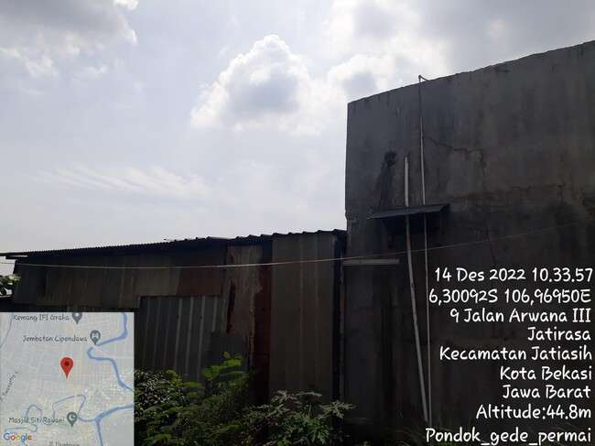

Panoramic 120º

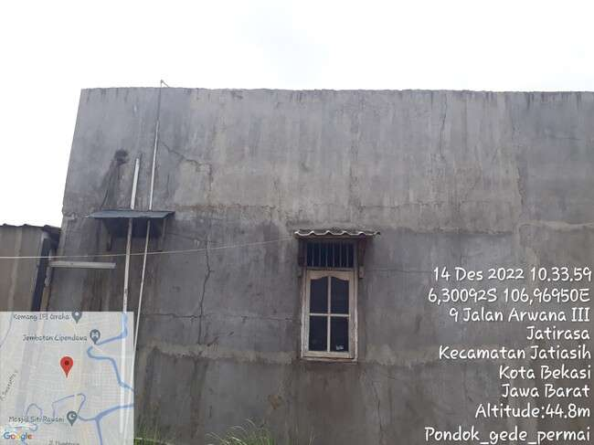

Panoramic 150º

180,210
 |  |  | PHOTOGRAPH DOCUMENTARY
Site No. | : | JA80 | Project | : | B2S XL
Site Name | : | PONDOK_GEDE_PERMAI | Location | : | JABODETABEK
Visit Date | : | 14-Dec-22 | Prepared by | : | PT. TOWER BERSAMA
Surveyor | : | RAHMAN

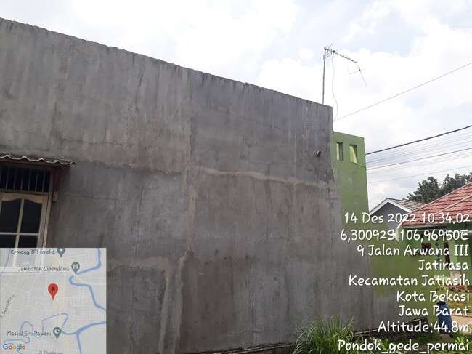

Panoramic 180º

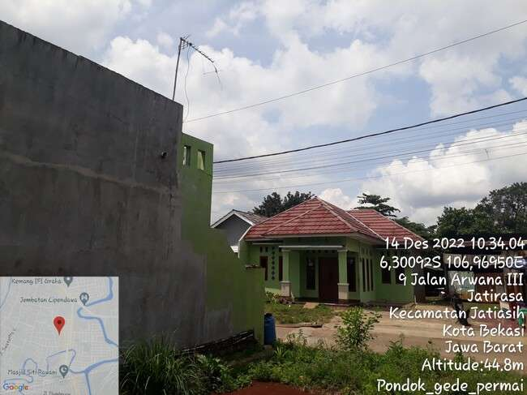

Panoramic 210º

240, 270
 |  |  | PHOTOGRAPH DOCUMENTARY
Site No. | : | JA80 | Project | : | B2S XL
Site Name | : | PONDOK_GEDE_PERMAI | Location | : | JABODETABEK
Visit Date | : | 14-Dec-22 | Prepared by | : | PT. TOWER BERSAMA
Surveyor | : | RAHMAN

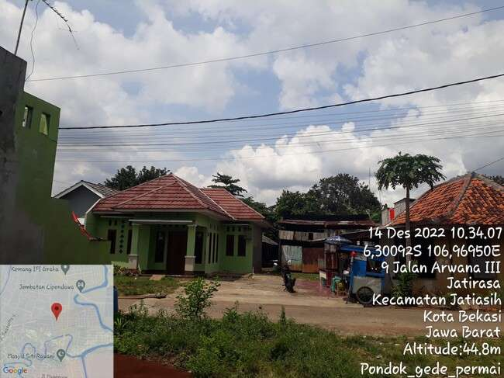

Panoramic 240º

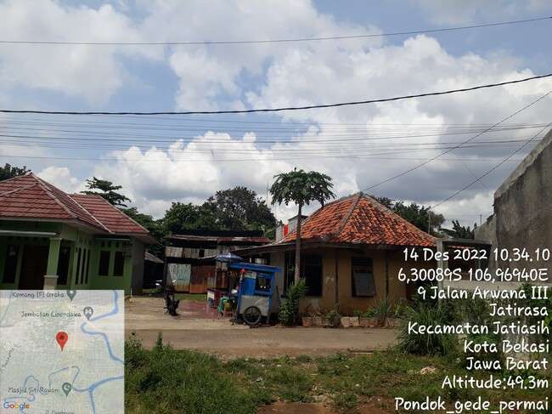

Panoramic 270º

300, 330
 |  |  | PHOTOGRAPH DOCUMENTARY
Site No. | : | JA80 | Project | : | B2S XL
Site Name | : | PONDOK_GEDE_PERMAI | Location | : | JABODETABEK
Visit Date | : | 14-Dec-22 | Prepared by | : | PT. TOWER BERSAMA
Surveyor | : | RAHMAN

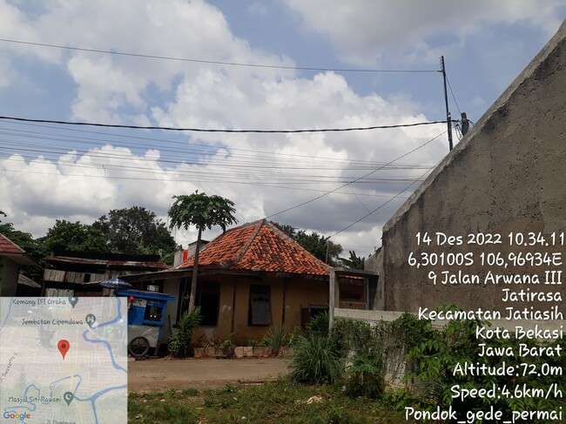

Panoramic 300º

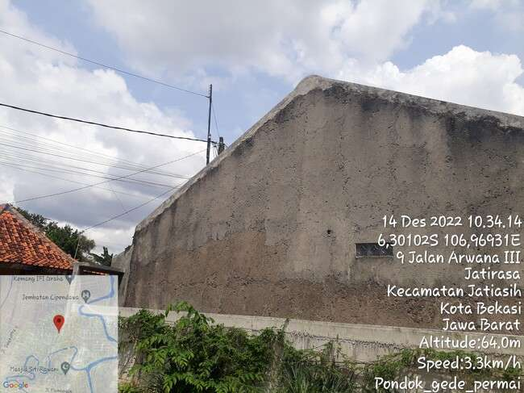

Panoramic 330º

RBS
 |  |  | PHOTOGRAPH DOCUMENTARY
Site No. | : | JA80 | Project | : | B2S XL
Site Name | : | PONDOK_GEDE_PERMAI | Location | : | JABODETABEK
Visit Date | : | 14-Dec-22 | Prepared by | : | PT. TOWER BERSAMA
Surveyor | : | RAHMAN

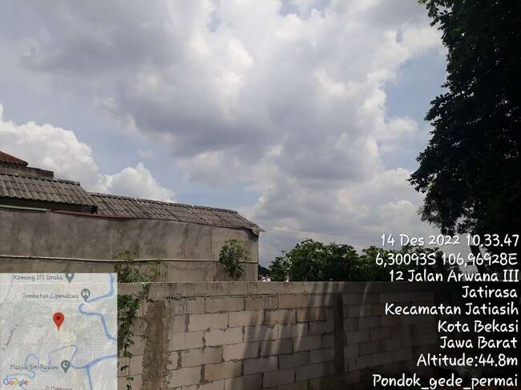

Panoramic 30º

Panoramic 210º

Panoramic 270º

depan,belakang
 |  |  | PHOTOGRAPH DOCUMENTARY
Site No. | : | JA80 | Project | : | B2S XL
Site Name | : | PONDOK_GEDE_PERMAI | Location | : | JABODETABEK
Visit Date | : | 14-Dec-22 | Prepared by | : | PT. TOWER BERSAMA
Surveyor | : | RAHMAN

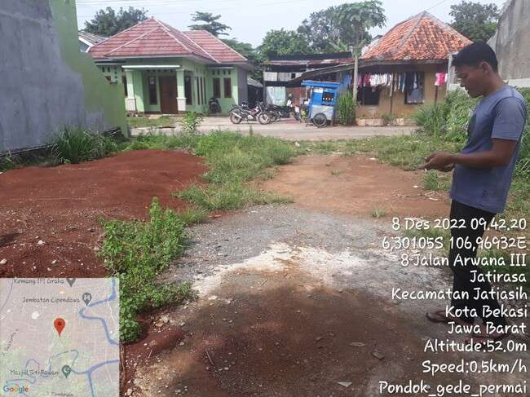

TAMPAK ATAS BAGIAN DEPAN SITE

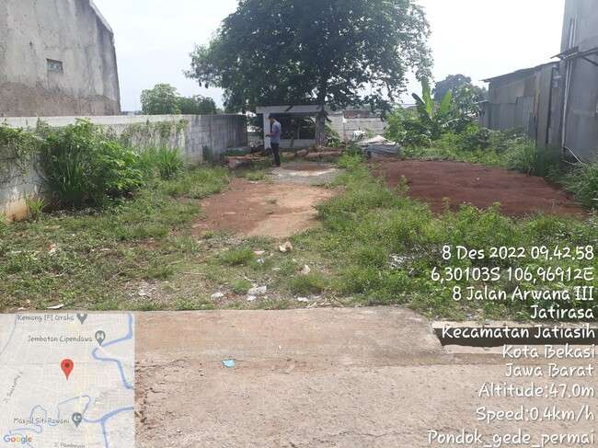

TAMPAK ATAS BAGIAN BELAKANG SITE

kiri,kanan
 |  |  | PHOTOGRAPH DOCUMENTARY
Site No. | : | JA80 | Project | : | B2S XL
Site Name | : | PONDOK_GEDE_PERMAI | Location | : | JABODETABEK
Visit Date | : | 14-Dec-22 | Prepared by | : | PT. TOWER BERSAMA
Surveyor | : | RAHMAN

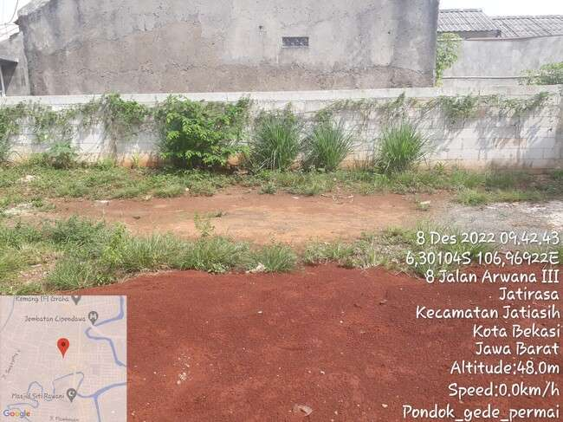

TAMPAK ATAS BAGIAN KANAN SITE

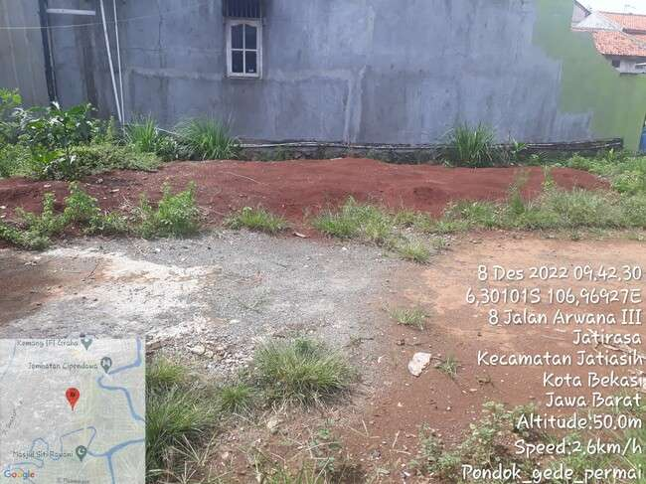

TAMPAK ATAS BAGIAN KIRI SITE

PANORAMA 0O
PANORAMA 30O
PANORAMA 60O
PANORAMA 90O
PANORAMA 120O
PANORAMA 150O
PANORAMA 180O
PANORAMA 210O
PANORAMA 240O
PANORAMA 270O
PANORAMA 300O
PANORAMA 330O

RBB ANTENNA SECTOR
PANORAMA 0O
PANORAMA 0O
PANORAMA 0O
PANORAMA 0O

SITE LOCATION
TAMPAK DEPAN
TAMPAK BELAKANG
TAMPAK KIRI
TAMPAK KANAN

PLN/POWER POLE,TRAFO

SITE ACCESS TO SITE

Site Location
 |  |  | PHOTOGRAPH DOCUMENTARY
Site No. | : | JA80 | Project | : | B2S XL
Site Name | : | PONDOK_GEDE_PERMAI | Location | : | JABODETABEK
Visit Date | : | 14-Dec-22 | Prepared by | : | PT. TOWER BERSAMA
Surveyor | : | RAHMAN

Proposed Antenna

Proposed RBS

site access
 |  |  | PHOTOGRAPH DOCUMENTARY
Site No. | : | JA80 | Project | : | B2S XL
Site Name | : | PONDOK_GEDE_PERMAI | Location | : | JABODETABEK
Visit Date | : | 14-Dec-22 | Prepared by | : | PT. TOWER BERSAMA
Surveyor | : | RAHMAN

SITE ACCESS TO SITE

SITE ACCESS TO SITE

 |  |  | PHOTOGRAPH DOCUMENTARY
Site No. | : | JA80 | Project | : | B2S XL
Site Name | : | PONDOK_GEDE_PERMAI | Location | : | JABODETABEK
Visit Date | : | 14-Dec-22 | Prepared by | : | PT. TOWER BERSAMA
Surveyor | : | RAHMAN

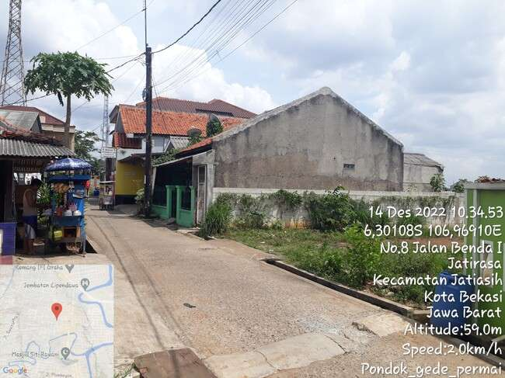

SITE ACCESS TO SITE

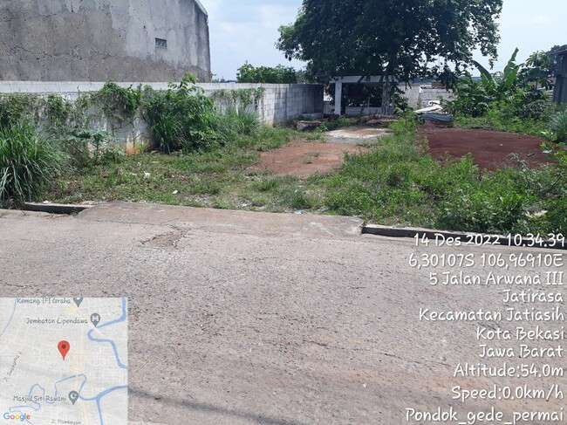

SITE ACCESS TO SITE

Site No. | : | JA80 | Project | : | B2S XL
Site Name | : | PONDOK_GEDE_PERMAI | Location | : | JABODETABEK
Visit Date | : | 14-Dec-22 | Prepared by | : | PT. TOWER BERSAMA
Surveyor | : | RAHMAN

SITE ACCESS TO SITE

SITE ACCESS TO SITE

 |  |  | PHOTOGRAPH DOCUMENTARY
Site No. | : | JA80 | Project | : | B2S XL
Site Name | : | PONDOK_GEDE_PERMAI | Location | : | JABODETABEK
Visit Date | : | 14-Dec-22 | Prepared by | : | PT. TOWER BERSAMA
Surveyor | : | RAHMAN

SITE ACCESS TO SITE

SITE ACCESS TO SITE

SITE ACCESS TO SITE

PLN
 |  |  | PHOTOGRAPH DOCUMENTARY
Site No. | : | JA80 | Project | : | B2S XL
Site Name | : | PONDOK_GEDE_PERMAI | Location | : | JABODETABEK
Visit Date | : | 14-Dec-22 | Prepared by | : | PT. TOWER BERSAMA
Surveyor | : | RAHMAN

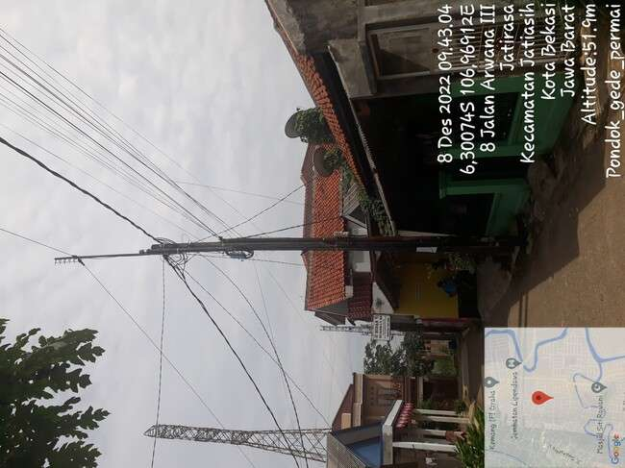

POLE PLN jarak terdekat 50 m

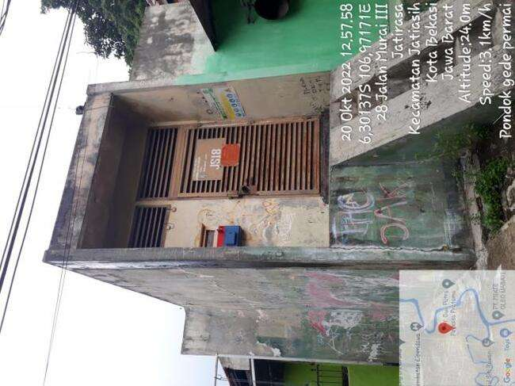

TRAFO PLN jarak 500 m

Site Situasi
 |  |  | PHOTOGRAPH DOCUMENTARY
Site No. | : | JA80 | Project | : | B2S XL
Site Name | : | PONDOK_GEDE_PERMAI | Location | : | JABODETABEK
Visit Date | : | 14-Dec-22 | Prepared by | : | PT. TOWER BERSAMA
Surveyor | : | RAHMAN

SITE SITUATION 1

SITE SITUATION 2

Peta dan Layout
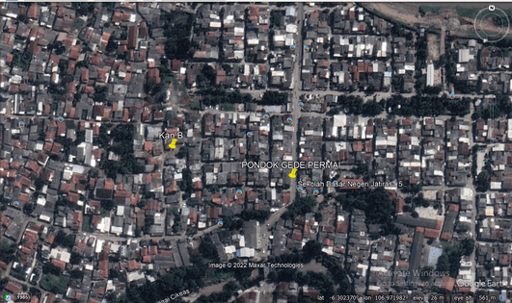
 |  |  | PHOTOGRAPH DOCUMENTARY
Site No. | : | JA80 | Project | : | B2S XL
Site Name | : | PONDOK_GEDE_PERMAI | Location | : | JABODETABEK
Visit Date | : | 14-Dec-22 | Prepared by | : | PT. TOWER BERSAMA
Surveyor | : | RAHMAN

PETA LOKASI

